LaQuinta
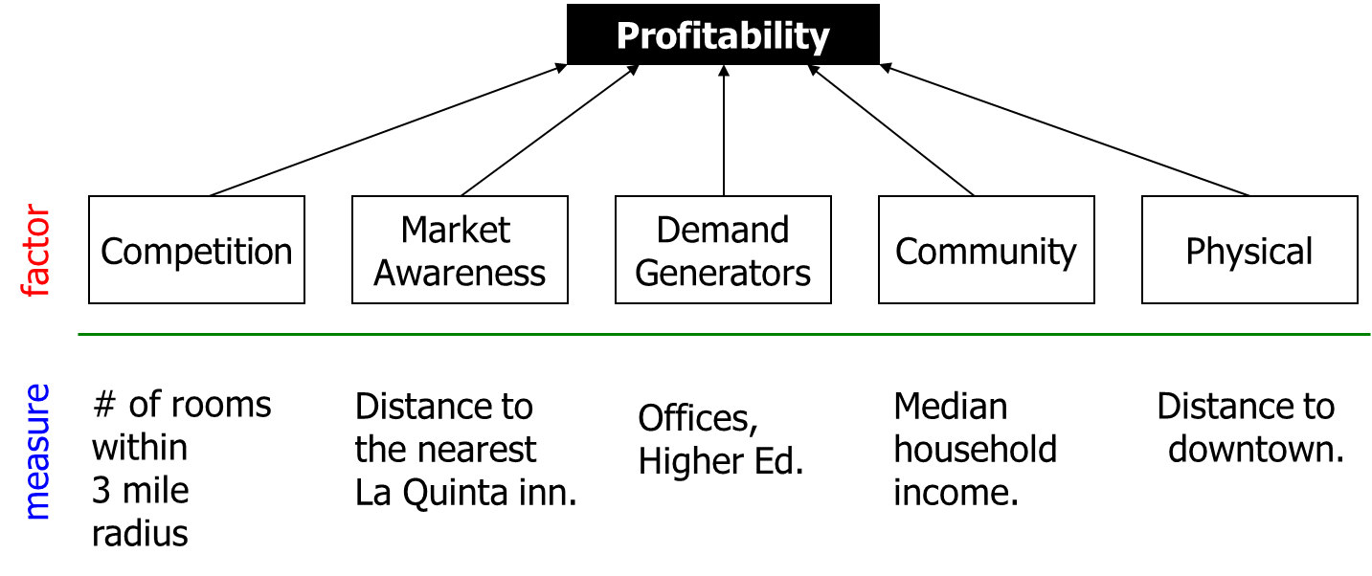
Margin | Number | Nearest | Office Space | Enrollment | Income | Distance
55.5 | 3203 | 4.2 | 549 | 8 | 37 | 2.7
33.8 | 2810 | 2.8 | 496 | 17.5 | 35 | 14.4
49 | 2890 | 2.4 | 254 | 20 | 35 | 2.6
31.9 | 3422 | 3.3 | 434 | 15.5 | 38 | 12.1
57.4 | 2687 | 0.9 | 678 | 15.5 | 42 | 6.9
49 | 3759 | 2.9 | 635 | 19 | 33 | 10.8
46 | 2341 | 2.3 | 580 | 23 | 29 | 7.4
50.2 | 3021 | 1.7 | 572 | 8.5 | 41 | 5.5
46 | 2655 | 1.1 | 666 | 22 | 34 | 8.1
45.5 | 2691 | 3.2 | 519 | 13.5 | 46 | 5.7
44.2 | 3471 | 2.2 | 523 | 12 | 39 | 5.4
29.8 | 3567 | 2.5 | 140 | 13.5 | 32 | 9.1
38.4 | 3264 | 2.7 | 404 | 22.5 | 29 | 10.4
54.4 | 3234 | 3.2 | 649 | 19.5 | 39 | 8.3
34.5 | 2730 | 0.3 | 171 | 17 | 33 | 4.3
44.9 | 3003 | 0.9 | 402 | 15.5 | 37 | 10.2
56.5 | 2045 | 1.5 | 562 | 15 | 38 | 4.3 | SUMMARY OUTPUT
39.3 | 3591 | 2 | 510 | 18.5 | 29 | 7.6
62.8 | 1613 | 1.7 | 686 | 21.5 | 29 | 4.1 | Regression Statistics
40.3 | 2848 | 2.5 | 744 | 19 | 30 | 8.4 | Multiple R | 0.72461135819
41.1 | 3098 | 2.3 | 449 | 11.5 | 34 | 7.7 | R Square | 0.52506162041
35.7 | 3591 | 1.4 | 270 | 9.5 | 43 | 5 | Adjusted R Square | 0.49442043463
58.5 | 2210 | 2.7 | 611 | 17.5 | 35 | 2.7 | Standard Error | 5.5120843729
53.5 | 3285 | 2 | 548 | 23.5 | 42 | 2.9 | Observations | 100
54.2 | 3018 | 3.1 | 529 | 20 | 39 | 8.2
43.3 | 3383 | 2.2 | 790 | 11.5 | 33 | 9.5 | ANOVA
58 | 2382 | 3.2 | 484 | 12 | 39 | 1.3 |  | df | SS | MS | F | Significance F
38.1 | 3568 | 2.3 | 365 | 16.5 | 37 | 3.7 | Regression | 6 | 3123.8320056 | 520.63866759 | 17.1358127 | 3.0338150705E-13
45.1 | 2172 | 1.4 | 198 | 7 | 35 | 9.2 | Residual | 93 | 2825.6258944 | 30.383074134
42.8 | 3003 | 2.2 | 457 | 19.5 | 39 | 12 | Total | 99 | 5949.4579
51.4 | 2640 | 3.8 | 431 | 19.5 | 37 | 7.6
45.4 | 2443 | 0.1 | 515 | 10.5 | 36 | 7.5 |  | Coefficients | Standard Error | t Stat | P-value | Lower 95% | Upper 95% | Lower 95.0% | Upper 95.0%
48.2 | 2429 | 2.3 | 498 | 20 | 33 | 7.6 | Intercept | 38.138575466 | 6.9929479981 | 5.4538623019 | 4.0446247733E-07 | 24.251966644 | 52.025184289 | 24.251966644 | 52.025184289
40.2 | 3670 | 2.8 | 240 | 17.5 | 37 | 9.9 | Number | -0.007617867208 | 0.0012552700153 | -6.0687080193 | 2.7662034713E-08 | -0.010110584682 | -0.0051251497342 | -0.010110584682 | -0.0051251497342
36.8 | 3006 | 2.5 | 456 | 15.5 | 37 | 4.2 | Nearest | 1.6462370911 | 0.63283691283 | 2.6013607262 | 0.01080332708 | 0.38954840142 | 2.9029257808 | 0.38954840142 | 2.9029257808
54.2 | 2484 | 2.8 | 443 | 16 | 33 | 0.6 | Office Space | 0.019765540599 | 0.003410442476 | 5.7955941899 | 9.2433091238E-08 | 0.012993077742 | 0.026538003456 | 0.012993077742 | 0.026538003456
36.9 | 2923 | 1.2 | 449 | 14 | 40 | 7.6 | Enrollment | 0.21178294229 | 0.1334279353 | 1.5872458928 | 0.11585127821 | -0.053178493709 | 0.47674437829 | -0.053178493709 | 0.47674437829
53 | 2844 | 3.5 | 406 | 13.5 | 30 | 10.8 | Income | 0.41312211212 | 0.1395523954 | 2.9603369469 | 0.0038988021499 | 0.13599871214 | 0.6902455121 | 0.13599871214 | 0.6902455121
39.3 | 3159 | 2.7 | 392 | 11 | 34 | 0.2 | Distance | -0.22525809861 | 0.17870888781 | -1.2604750741 | 0.21065141666 | -0.58013853225 | 0.12962233504 | -0.58013853225 | 0.12962233504
54.4 | 3241 | 2.2 | 578 | 21.5 | 44 | 5.1
43.7 | 2915 | 1.6 | 620 | 13.5 | 36 | 5.3
51.5 | 3069 | 3.3 | 512 | 20.5 | 37 | 7.7
43.5 | 2910 | 1.4 | 418 | 12.5 | 35 | 1.8
48.8 | 2935 | 3.9 | 551 | 20 | 35 | 6.1 |  |  |  |  |  |  | ANOVA
36.1 | 2962 | 0.9 | 164 | 12.5 | 41 | 8.6 |  |  |  |  |  |  |  | df | SS | MS | F | Significance F
33.2 | 2629 | 1.4 | 359 | 20 | 35 | 7.2 |  |  |  |  |  |  | Regression | 1 | 183745.11812 | 183745.11812 | 0.95299441265 | 0.35198226718
41.9 | 3517 | 2.9 | 516 | 6 | 38 | 9.1 |  |  |  |  |  |  | Residual | 10 | 1928081.7986 | 192808.17986
49.8 | 2859 | 1.7 | 544 | 14.5 | 39 | 3 |  |  |  |  |  |  | Total | 11 | 2111826.9167
45 | 3697 | 2.1 | 236 | 20.5 | 40 | 9
43.2 | 2724 | 1.2 | 597 | 14.5 | 42 | 0.3 |  |  |  |  |  |  |  | Coefficients | Standard Error | t Stat | P-value | Lower 95% | Upper 95% | Lower 95.0% | Upper 95.0%
38.8 | 3330 | 2.7 | 410 | 13.5 | 41 | 4 |  |  |  |  |  |  | Intercept | 3701.1588273 | 685.92358344 | 5.3958763288 | 0.00030318628909 | 2172.8258415 | 5229.491813 | 2172.8258415 | 5229.491813
37.8 | 2980 | 3.2 | 427 | 12 | 32 | 6.6 |  |  |  |  |  |  | X Variable 1 | -14.670083461 | 15.027523211 | -0.97621432721 | 0.35198226718 | -48.153491777 | 18.813324855 | -48.153491777 | 18.813324855
41 | 2846 | 3.1 | 231 | 20.5 | 31 | 8.8
48.8 | 2825 | 1.1 | 774 | 13 | 40 | 9
34.3 | 3548 | 2.5 | 449 | 13.5 | 31 | 8.3
49.6 | 2922 | 1.9 | 459 | 19.5 | 32 | 4.4
49.9 | 3255 | 2.2 | 551 | 22.5 | 36 | 8.7
39.2 | 2996 | 1.3 | 359 | 15.5 | 38 | 8.5
42.5 | 2403 | 1 | 345 | 19 | 32 | 8.2
52.6 | 3013 | 3.7 | 830 | 20 | 41 | 14.1
47.3 | 2642 | 1.8 | 450 | 9 | 30 | 4.8
41 | 3480 | 1.9 | 265 | 18 | 31 | 11
51.1 | 3227 | 1.9 | 711 | 11 | 37 | 6
52.1 | 3140 | 2.2 | 433 | 23.5 | 34 | 3.7
47.6 | 2751 | 3 | 426 | 10.5 | 36 | 9.1
40.8 | 2676 | 3.3 | 300 | 25 | 41 | 5.1
52.2 | 2879 | 2.1 | 747 | 19.5 | 36 | 2.9
60.1 | 2619 | 2.9 | 683 | 12 | 31 | 6.8
52 | 3354 | 2 | 614 | 26.5 | 37 | 7.2
51.2 | 3082 | 1.5 | 637 | 22 | 40 | 11.2
51.2 | 2775 | 2.5 | 497 | 15 | 39 | 5.6
44 | 2813 | 3.8 | 233 | 15 | 33 | 11.8
49.6 | 3359 | 1.6 | 473 | 10.5 | 44 | 2.6
47.5 | 3080 | 1.9 | 488 | 13.5 | 43 | 8.1
54.4 | 2756 | 3.2 | 832 | 14.5 | 39 | 7.9
46.2 | 2244 | 3.6 | 496 | 15.5 | 36 | 5.9
54.1 | 2862 | 2.9 | 809 | 16.5 | 41 | 11.8
43.5 | 3198 | 1.8 | 548 | 17 | 36 | 4.6
52.7 | 3378 | 3.3 | 815 | 10 | 34 | 7.6
49.5 | 2726 | 1.2 | 464 | 19 | 36 | 9.3
43.4 | 3597 | 3.9 | 616 | 15.5 | 35 | 13.2
33.5 | 3657 | 1.5 | 372 | 18 | 28 | 3.5
46.3 | 2554 | 2.1 | 585 | 10 | 32 | 9.9
42.9 | 3838 | 2.4 | 875 | 10 | 40 | 2.9
27.3 | 4214 | 2.4 | 358 | 16 | 34 | 5.6
41.6 | 2776 | 2.1 | 360 | 16 | 31 | 7.3
49 | 1998 | 3.6 | 461 | 19 | 41 | 4.9
55.4 | 2790 | 1.6 | 645 | 12 | 37 | 9.1
54.1 | 2432 | 2.9 | 370 | 17.5 | 35 | 10.3
32.4 | 3124 | 1.6 | 349 | 17 | 29 | 7.3
47.3 | 2761 | 3.4 | 485 | 16 | 39 | 6.6
30.8 | 3622 | 2.3 | 347 | 15 | 34 | 7.6
49 | 2826 | 4.2 | 390 | 17 | 34 | 1.2
57.3 | 2601 | 3.1 | 520 | 18.5 | 39 | 11
60.5 | 2932 | 1.8 | 469 | 19.5 | 39 | 6.1
53.4 | 2772 | 0.8 | 622 | 14.5 | 45 | 11.3
35.9 | 2786 | 1.9 | 511 | 15.5 | 37 | 8.5
40 | 3397 | 1.6 | 855 | 19.5 | 32 | 3.1
39.8 | 3823 | 3.6 | 202 | 17 | 38 | 4.8
35.2 | 3251 | 1.7 | 275 | 13 | 35 | 4.3

